Cerinta
VVTA, PPPFP Informatica, 2019-2020
 | Lab03. Black-box Testing. EP, BVA
 | Student Name | Ionut Gabriel Dincu
 | Delivery Date | 2019-11-02 | Group | 1211

/**
* adauga o carte in repository
* @param c - o carte cu atributele: titlu, lista de autori, anAparitie,
* editura, lista de cuvinte cuvinteCheie
* @throws Exception - daca obiectul c nu este valid
*/
public void adaugaCarte(Carte c) throws Exception;

ECP
 |  |  | VVTA, PPPFP Informatica, 2019-2020
 |  |  |  | se vor identifica minimum 4 clase de echivalenta (2 valide, 2 non-valide)
 |  |  |  | se vor proiecta minimum 4 cazuri de testare (2 valide, 2 non-valide) sau se va realiza acoperire ECs de 100%.

 | Identificarea ECs valide/non-valide pentru date de intrare/ieşire |  |  |  |  | Proiectarea cazurilor de testare folosind ECP

 |  |  |  |  | No. TCxx_EC | EC | input data |  |  |  |  | output data
 | No. EC | Condition | Valid EC | Non-valid EC |  |  | FirstName | LastName | CNP | Function | Salary | expected
 | 1 | prenumele sa fie string cu min 2 caractere alfanumerice | contine min 2 caractere (max 256) alfanumerice |  | 1 | 1,3,5,8,10 | "AA" | "BB" | "2999999334432" | ASSISTENT | 222 | TRUE
 | 2 |  |  | NU contine min 2 caractere alfanumerice(max 256) | 2 | 2,3,5,8,10 | "A" | "BB" | "2999999334432" | ASSISTENT | 222 | FALSE
 | 3 | numele sa fie string cu min 2 caractere alfanumerice | contine min 2 caractere (max 256) alfanumerice |  | 3 | 1,4,5,8,10 | "AA" | "B" | "2999999334432" | ASSISTENT | 222 | FALSE
 | 4 |  |  | NU contine min 2 caractere alfanumerice(max 256) | 4 | 1,3,6,8,10 | "AA" | "BB" | "29999993344321" | ASSISTENT | 222 | FALSE
 | 5 | CNP-ul sa fie un string cu 13 carctere numerice | contine 13 numere |  | 5 | 1,3,7,8,10 | "AA" | "BB" | "299999933443A" | ASSISTENT | 222 | FALSE
 | 6 |  |  | contine 14 carcatere numerice | 6 | 1,3,5,9,10 | "AA" | "BB" | "2999999334432" | null | 222 | FALSE
 | 7 |  |  | contine alfanumerice | 7 | 1,3,5,8,11 | "AA" | "BB" | "2999999334432" | ASSISTENT | 0 | FALSE
 | 8 | Lista cu functii sa fie valida | functia sa fie una dintre urmatoarele optiuni: ASSISTENT, LECTURER, TEACHER, CONFERENTIAR
 | 9 |  |  | functia sa NU fie una dintre urmatoarele optiuni: ASSISTENT, LECTURER, TEACHER, CONFERENTIAR
 | 10 | salariul sa fie un double valid | salariul sa fie min 0.0 ron
 | 11 |  |  | salariul sa fie egal cu 0

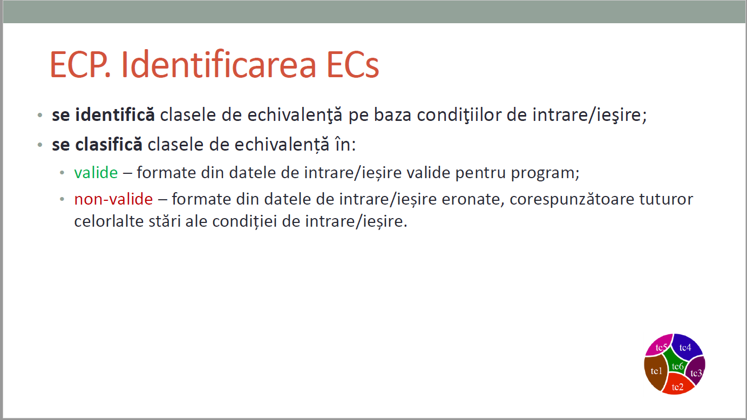
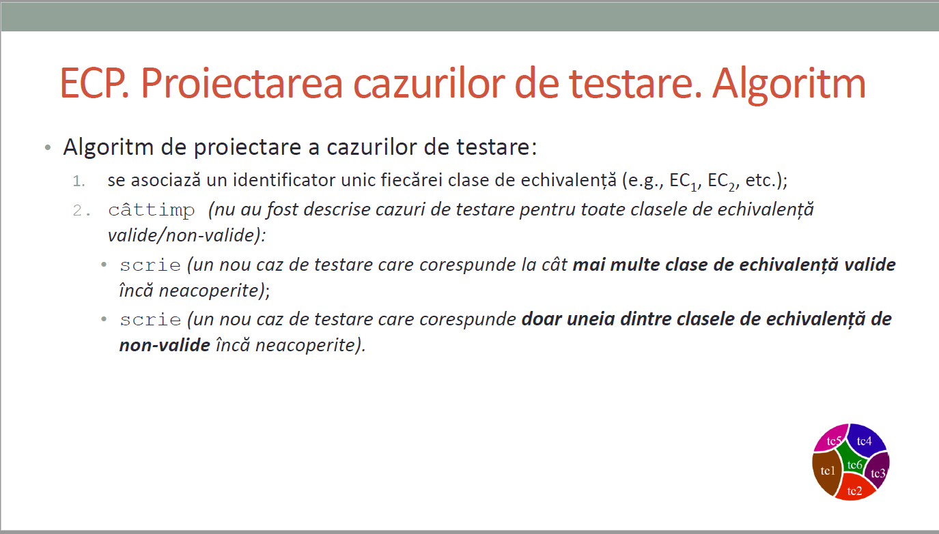
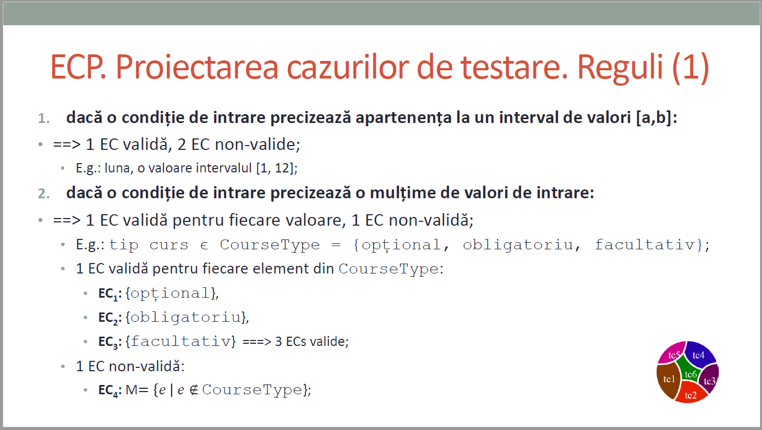
CURS 4

BVA
 |  |  |  | VVTA, PPPFP Informatica, 2019-2020
 |  | se vor identifica minimum 4 conditii BVA (2 valide, 2 non-valide)
 |  | se vor proiecta minimum 4 cazuri de testare (2 valide, 2 non-valide)

 | Identificarea condiţiilor BVA asociate ECs valide pentru date de intrare/ieşire |  |  |  | Proiectarea cazurilor de testare folosind condiţiile BVA

 |  |  |  |  | No TCxx_BVA | BVA condition | Correlated TC | Executable | Input |  |  |  |  | output data
 | Crt. No. | Valid EC | BVA Condition |  |  |  |  |  | FirstName | LastName | CNP | Function | Salary | expected
 | a. | Prenumele sa fie string cu min 2 caractere alfanumerice | 1 | Prenumele are 1 caracter | 1 | 1 | ECP2 |  | "A" | "BB" | "2999999887733" | ASISTENT | 222 | FALSE
 |  |  | 2 | Prenumele are 2 caractere | 2 | 2 | ECP1 |  | "AA" | "BB" | "2999999887733" | ASISTENT | 222 | TRUE
 |  |  | 3 | Prenumele are 3 caractere | 3 | 3 | ECP1 |  | "AAAAAAAAAA" | "BB" | "2999999887733" | ASISTENT | 222 | TRUE
 |  |  | 4 | Prenumele contine un spatiu | 4 | 4 | TBC |  | "A A" | "BB" | "2999999887733" | ASISTENT | 222 | TRUE
 |  |  | 5 | Prenumele contine un numar | 5 | 5 | TBC |  | "AA2" | "BB" | "2999999887733" | ASISTENT | 222 | TRUE
 |  |  | 6 | Prenumele contine caractere speciale | 6 | 6 | TBC |  | "AA?" | "BB" | "2999999887733" | ASISTENT | 222 | TRUE
 | b. | Numele sa fie string cu min 2 caractere alfanumerice | 7 | Numele are 1 caracter | 7 | 7 | ECP4 |  | "AA" | "B" | "2999999887733" | ASISTENT | 222 | FALSE
 |  |  | 8 | Numele are 2 caractere | 8 | 8 | ECP3 |  | "AA" | "BB" | "2999999887733" | ASISTENT | 222 | TRUE
 |  |  | 9 | Numele are 3 caractere | 9 | 9 | ECP3 |  | "AA" | "BBBBBBBBBB" | "2999999887733" | ASISTENT | 222 | TRUE
 |  |  | 10 | Numele contine un spatiu | 10 | 10 | TBC |  | "AA" | "B B" | "2999999887733" | ASISTENT | 222 | TBC
 |  |  | 11 | Numele contine un numar | 11 | 11 | TBC |  | "AA" | "BB2" | "2999999887733" | ASISTENT | 222 | TBC
 |  |  | 12 | Numele contine caractere speciale | 12 | 12 | TBC |  | "AA" | "BB?" | "2999999887733" | ASISTENT | 222 | TBC
 | c. | CNP-ul sa fie un string cu 13 carctere numerice | 13 | CNP-ul are 12 cifra | 13 | 13 | - |  | "AA" | "BB" | "2" | ASISTENT | 222 | TRUE
 |  |  | 14 | CNP-ul are 13 cifre | 14 | 14 | ECP5 |  | "AA" | "BB" | "2999999887733" | ASISTENT | 222 | TRUE
 |  |  | 15 | CNP-ul are 14 cifre | 15 | 15 | ECP6 |  | "AA" | "BB" | "29999998877331" | ASISTENT | 222 | TRUE
 |  |  | 16 | CNP-ul contine caracter(e) | 16 | 16 | ECP7 |  | "AA" | "BB" | "299999988773A" | ASISTENT | 222 | TRUE
 |  |  | 17 | CNP-ul contine un spatiu | 17 | 17 | ECP7 |  | "AA" | "BB" | "29999998877 3" | ASISTENT | 222 | TRUE
 |  |  | 18 | CNP-ul contine caractere speciale | 18 | 18 | ECP7 |  | "AA" | "BB" | "299999988773?" | ASISTENT | 222 | TRUE
 | d. | Lista cu functii sa fie valida | 19 | Functia data este valida | 19 | 19 | ECP8 |  | "AA" | "BB" | "2999999887733" | ASISTENT | 222 | TRUE
 |  |  | 20 | Functia data este invalida | 20 | 20 | ECP9 |  | "AA" | "BB" | "2999999887733" | DOCTOR | 222 | TRUE
 |  |  | 21 | Functia este omisa | 21 | 21 | ECP9 |  | "AA" | "BB" | "2999999887733" | null | 222 | TRUE
 |  |  | 22 |  | 22 | 22 | -
 |  |  | 23 |  | 23 | 23 | -
 |  |  | 24 |  | 24 | 24 | -
 | e. | Salariul sa fie un double valid | 25 | Salariul este -1 | 25 | 25 | - |  | "AA" | "BB" | "2999999887733" | ASISTENT | -222 | FALSE
 |  |  | 26 | Salariul este = 0 | 26 | 26 | ECP11 |  | "AA" | "BB" | "2999999887733" | ASISTENT | 0 | FALSE
 |  |  | 27 | Salariul este = 1 | 27 | 27 | ECP10 |  | "AA" | "BB" | "2999999887733" | ASISTENT | 222 | TRUE
 |  |  | 28 |  | 28 | 28 | - |  | "AA" | "BB" | "2999999887733" | ASISTENT | null | FALSE
 |  |  | 29 |  | 29 | 29 | -
 |  |  | 30 |  | 30 | 30 | -
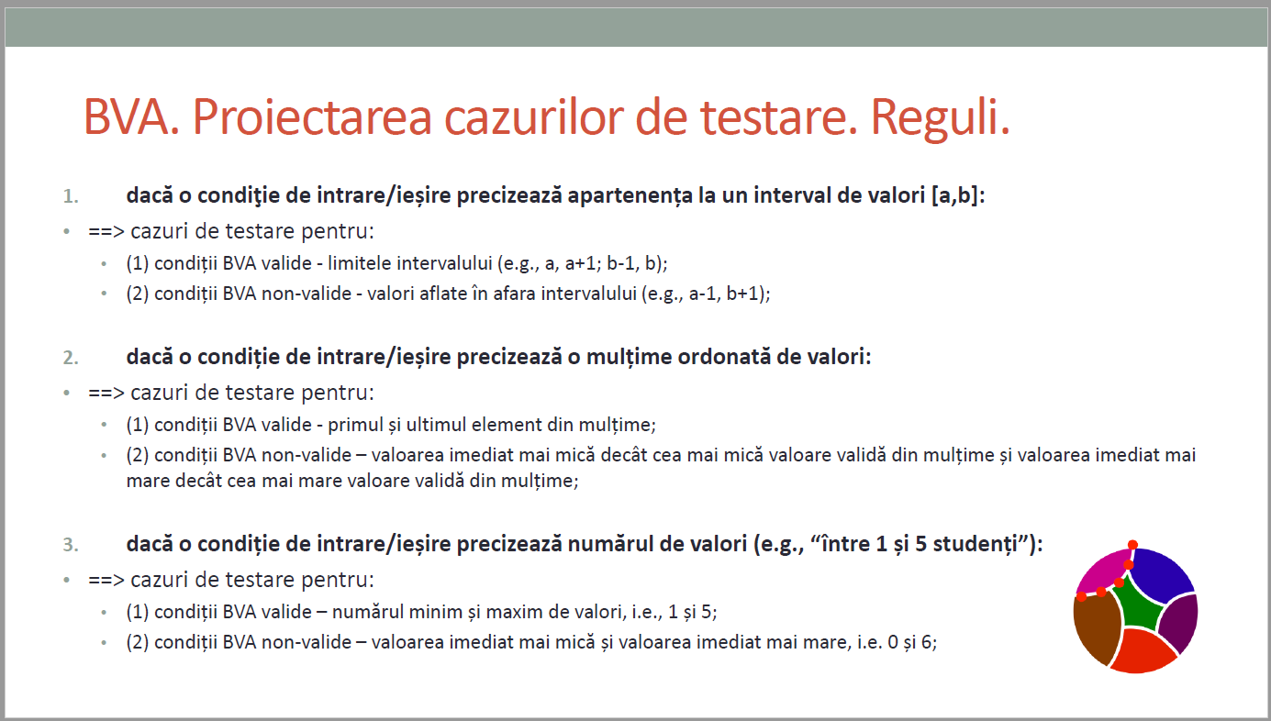
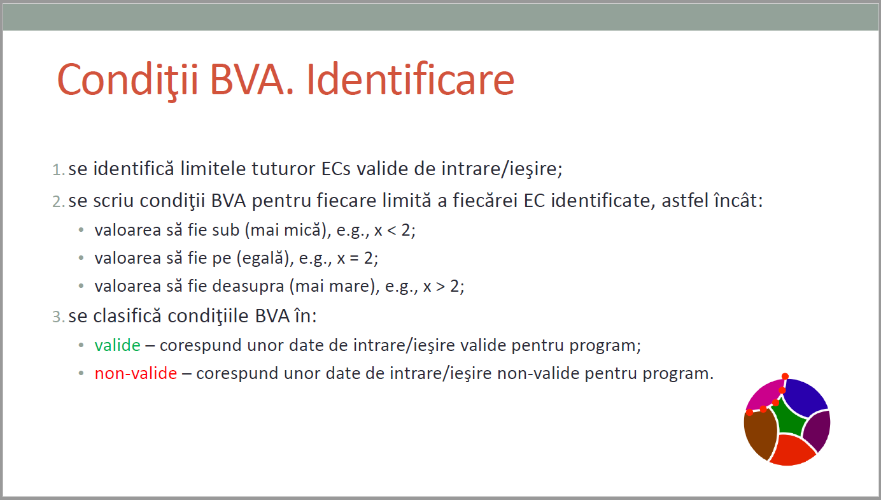
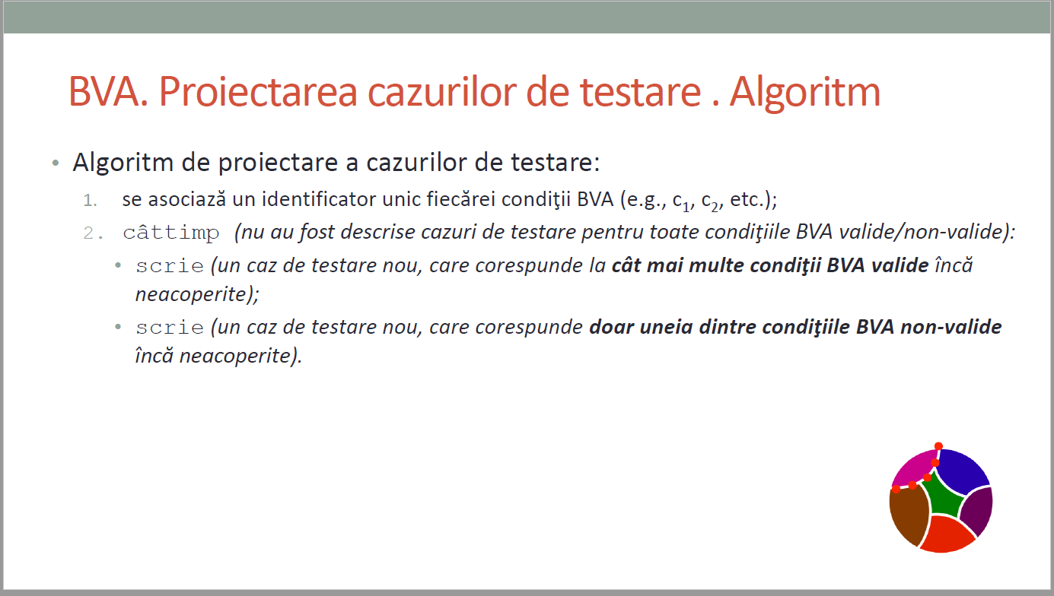
CURS 4

